Sheet1
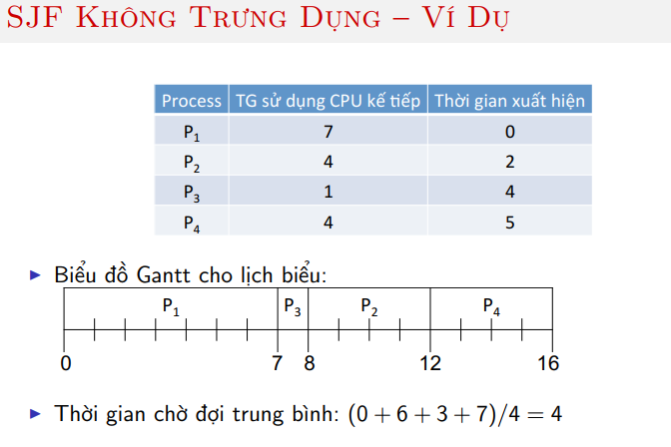

 | PROCESS | TG SD CPU TIẾP | TG XH | TG chờ |  | TG_TB
 | P1 | 7 | 0 | 7 | 0 | 0
 | P2 | 4 | 2 | 12 | 8 | 6
 | P3 | 1 | 4 | 8 | 7 | 3
 | P4 | 4 | 5 | 16 | 12 | 7
 | TRUNG BÌNH |  |  |  | 6.75 | 4

Gantt
P1 | P3 | P2 | P4
0 | 7 | 8 | 12 | 16

